Regular . Plus
 |  |  | PACKING LIST - REGULAR SIZES:

INVOICE NO:
AUDIT DATE: |  |  |  |  | STYLE #
SHIP TO: |  |  |  |  | REF: | CHEVRON PRINT |  | 003
DESCRIPTION: | LADIES Print Waist Yoga Pant (Regular) |  |  |  | Content | 59% Cotton 38% Polyester 3% Spandex 200 gsm
 |  |  |  |  | Packing | Flat Pack , 72 pcs in 1 ctn

 | PO QTY 100% |  | PO QTY |  | RATIO QUANTITY EACH CARTON |  |  |  | CTN / PCS | COLOR | TTL CTN PACKED | TTL PCS PACKED | CTN DIMENSION
 | CTNS | PCS | CTNS | PCS | S | M | L | XL
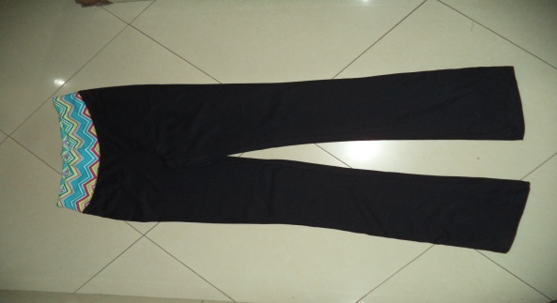
 | 611 | 43992 | 611 | 43992 | 12 | 24 | 24 | 12 | 72 | BLACK | 611 | 43992 | 24" X 17.5" X 12.5"

TOTAL >>>>>>> | 611 | 43992 | 611 | 43992 |  |  |  |  |  |  | 611 | 43992

PACKING LIST - PLUS SIZES:

 | PO QTY 100% |  | PO QTY |  | RATIO QUANTITY EACH CARTON |  |  | CTN / PCS | COLOR | TTL CTN PACKED | TTL PCS PACKED | CTN DIMENSION
 | CTNS | PCS | CTNS | PCS | 1X | 2X | 3X

 | 778 | 56016 | 778 | 56016 | 24 | 24 | 24 | 72 | BLACK | 778 | 56016 | 24.5" X 18" X 13.5"

TOTAL >>>>>>> | 778 | 56016 | 778 | 56016 |  |  |  |  |  | 778 | 56016

